Sheet2
Course | Chapter | Assignment | Feedback | Level | Estimated Time | Actual Time | Completion Date
1. HTML | HTML & HTML5 | Indentation Practice |  | 1 | 30mins -1hr
 |  | Fake Blog |  | 1 | 1 - 2 hrs
2. CSS | CSS & CSS3 | Plotting Your Blocks |  | 1 | 1 - 2 hrs
 |  | Loups |  | 1 | 2-4 hrs
 |  | FreeBSD |  | 2 | 2-6 hrs
 |  | PPC Lubricants |  | 2 | 2-6 hrs
 |  | WordStream |  | 2 | 2-6 hrs
 |  | Shapes |  | 1 | 1-2 hrs
 |  | Periodic Table |  | 2

Course | Chapter | Assignment | Feedback | Level | Estimated Time | Actual Time | Completion Date
3. JQuery | jQuery | jQuery Functions |  | 1 | 2-4 hrs | 0 minute | 5 months ago
 |  | Disappearing Ninja |  | 1 | 2-4 hrs | 1 hour | 5 months ago
 |  | Ninja to Cat |  | 2 | 2-4 hrs | 142 hours | 5 months ago
 |  | Debugging jQuery |  | 1 | 1-2 hrs
 |  | Hover In/Out |  | 1 | 2-6 hrs | 159 hours | 5 months ago
 | Advanced jQuery and jQuery UI | Adding a User with jQuery |  | 2 | 2-4 hrs
 |  | Color Clicker |  | 2 | 2-4 hrs
 |  | Contact Card |  | 2 | 2-4 hrs
 |  | Sortable Ninja |  | 1 | 2-4 hrs
 |  | Accordion and Tab |  | 1 | 2-4 hrs
 |  | Date Validations |  | 1 | 2-4 hrs
 |  | Using other jQuery Libraries |  | 2 | 2-6 hrs
4. Git | Terminal and Git | Using Terminal Commands |  | 1 | 1-2 hrs | 2 hours | 5 months ago
 |  | Learning to Commit |  | 1 | 1-2 hrs | 1 hour | 5 months ago
 |  | Branching and Merging |  | 2 | 2-4 hrs
 |  | Basic Repo |  | 1 | 1-2 hrs
 |  | Update and Commit |  | 1 | 1-2 hrs
 |  | Portfolio |  | 1 | 1-3 hrs
5. Next Steps | Next Steps | Pacman (optional but highly encouraged) |  | 4 | 4-8 hrs
 |  | 1942 |  | 4 | 4-8 hrs
 |  | CS 50 |  | 0 | 10-15 hrs
6. RWD | The Basics | Basic Typesetting and Scaling |  | 1 | 1-2 hrs | 1 minute | 5 months ago
 |  | Layouts |  | 1 | 1-2 hrs
7. Wireframes | Wireframes for Your Projects | Wireframes |  | 1 | 1-5 hrs

Course | Chapter | Assignment | Feedback | Level | Estimated Time | Actual Time | Completion Date
1. MySQL | ERD Lessons | Books |  | 1 | 2-3 hrs | 18 minutes | 1 month ago
 |  | Blogs |  | 2 | 1-2 hrs | 2 minutes | 1 month ago
 |  | User Dashboard |  | 2 | 1-2 hrs | 1 hour | 1 month ago
 |  | Normalization |  | 3 | 30 mins | 7 minutes | 1 month ago
 | MySQL Queries | MySQL Workbench Setup |  | 1 | < 1 hr | 3 minutes | 1 month ago
 |  | MySQL Countries |  | 1 | 2-4 hrs | 15 minutes | 1 month ago
 |  | Sakila |  | 2 | 2-4 hrs | 0 minute | 1 month ago
 |  | Friendships |  | 2 | 2-4 hrs
 |  | Lead Gen Business |  | 3 | 3-5 hrs
 |  | SQLZoo |  | 3 | 6-8 hrs
 |  | NoSQL Databases |  | 3 | < 10 hrs

2. PHP | 2. Fundamentals | Odd numbers |  | 1 | < 1 hr | 4 minutes | 5 months ago
 |  | Multiples of 5 |  | 1 | < 1 hr | 5 minutes | 5 months ago
 |  | Sum of array values |  | 1 | < 1 hr | 0 minute | 5 months ago
 |  | Average |  | 1 | < 1 hr | 0 minute | 5 months ago
 |  | Odd numbers array |  | 1 | < 1 hr
 |  | Odd or even |  | 1 | < 1 hr | 0 minute | 5 months ago
 |  | Understanding Foreach |  | 1 | < 1 hr | 0 minute | 5 months ago
 |  | Multiplied by 5 |  | 1 | < 1 hr | 34 minutes | 5 months ago
 |  | Get array values |  | 1 | < 1 hr | 0 minute | 5 months ago
 |  | Keys and Values |  | 1 | < 1 hr | 0 minute | 5 months ago
 |  | Score and Grade |  | 1 | 1-2 hrs | 0 minute | 4 months ago
 |  | States Array |  | 1 | 1-2 hrs | 55 minutes | 4 months ago
 |  | Coin Throw |  | 1 | 1-2 hrs | 52 minutes | 4 months ago
 |  | Get Min and Max |  | 1 | 1-2 hrs | 38 minutes | 4 months ago
 |  | Draw Stars |  | 2 | 1-2 hrs | 18 minutes | 4 months ago
 |  | Multiplication Table |  | 2 | 1-4 hrs | 0 minute | 4 months ago
 |  | Debugging |  | 1 | 1-2 hrs
 |  | HTML Table |  | 3 | 1-4 hrs | 6 hours | 4 months ago
 |  | Checkerboard |  | 3 | 1-6 hrs | 29 minutes | 4 months ago
 |  | Create Image/CSS/JS File Using PHP |  | 3 | 2-4 hrs
 |  | CSV |  | 4 | 3-8 hrs
 |  | Crawler |  | 4 | 4-8 hrs
 |  | Sorting Algorithm |  | 3 | 2-4 hrs
 |  | Bubble Sort |  | 4 | 2-4 hrs
 |  | Insertion Sort |  | 4 | 2-4 hrs
 | 3. Advanced | Survey Form |  | 1 | 1-2 hrs | 2 hours | 4 months ago
 |  | Great Number Game |  | 1 | 2-3 hrs | 2 minutes | 4 months ago
 |  | Ninja Gold Game |  | 2 | 3-5 hrs | 18 hours | 4 months ago

Course | Chapter | Assignment | Feedback | Level | Estimated Time | Actual Time | Completion Date
 |  | Registration without DB |  | 3 | 2-4 hrs
 | 4. PHP with MySQL | MySQL Connection |  | 1 | 1 hr
 |  | Email Validation with DB |  | 1 | 2-4 hrs
 |  | QuotingDojo |  | 1 | 2-4 hrs
 |  | Login and Registration |  | 2 | 3-8 hrs | 0 minute | 2 months ago
 |  | The Wall |  | 3 | 4-12 hrs | 3 minutes | 2 months ago
 |  | MySQL Injection |  | 3 | 1 hr
 |  | CSV Web App With Pagination |  | 3 | 3-10 hrs

3. OOP | OOP Fundamentals | Bike |  | 1 | 1-3 hrs
 |  | Car |  | 2 | 1-3 hrs
 |  | Chaining Methods |  | 2 | 1 hr
 |  | HTML Helper! |  | 3 | 2-5 hrs
 | OOP Advanced | Animal |  | 2 | 1-3 hrs
 |  | Singly Linked List Add Function |  | 1 | 30 min
 |  | Singly Linked List Remove Function |  | 2 | 30 min
 |  | Singly Linked List Find Function |  | 1 | 30 min
 |  | Singly Linked List PrintValues Function |  | 2 | 1-2 hrs
 |  | Deck of Cards |  | 3 | 4-5 hrs
 |  | Finish Singly Linked List |  | 3 | 1-2 hrs
 |  | Queues |  | 4 | 1-3 hrs
 |  | Doubly Linked List |  | 4 | 1-3 hrs
 |  | PHPUnit |  | 3 | 4-6 hrs
 |  | Binary Search Tree |  | 4 | 4-5 hrs
 |  | Hash Table |  | 4 | 4-5 hrs

4. PHP MVC | PHP MVC with CodeIgniter | Time Display |  | 1 | 1-2 hrs
 |  | CodeIgniter Survey Form |  | 1 | 2-4 hrs
 |  | Random Word Generator |  | 1 | 1-3 hrs
 |  | Routes Review |  | 1 | 2-4 hrs
 |  | Ninja Gold Game (CodeIgniter Version) |  | 2 | 2-4 hrs
 |  | Courses |  | 2 | 2-4 hrs | 0 minute | 29 days ago
 |  | Semi-RESTful Routes |  | 2 | 3-6 hrs
 |  | Login and Registration |  | 2 | 3-6 hrs | 6 hours | 2 months ago

 | E-commerce |  | 3 | 3-6 hrs
 |  | User Dashboard |  | 4 | 4-10 hrs
 |  | Add Products |  | 1 | 1-4 hrs
 |  | Product Listing |  | 2 | 3-6 hrs
 |  | Life in the Cloud |  | 2 | 1-2 hrs
 |  | Build the LAMP Stack |  | 2 | 1-2 hrs
 |  | Connect Workbench |  | 2 | 1-2 hrs
 |  | Git Ready |  | 2 | 1-2 hrs
 |  | Belt Exam Preparations! |  | 3 | 4-5 hrs | 4 minutes | 2 months ago

6. Ajax | 1. Ajax API with jQuery | Pokemons |  | 1 | 1-2 hrs | 24 minutes | 2 months ago
 |  | Pokedex |  | 2 | 1-4 hrs | 2 hours | 2 months ago
 |  | Weather App |  | 1 | 1-4 hrs
 |  | Boggle |  | 4 | 4-5 hrs
 | 2. Ajax API with jQuery and CodeIgniter | Ajax Posts |  | 1 | 2-4 hrs
 |  | Ajax Notes |  | 2 | 2-6 hrs | 0 minute | 1 month ago
 |  | Leads Search and Pagination |  | 4 | 3-6 hrs
 |  | Uber, Part 1 |  | 2 | 1-4 hrs
 |  | iTunes Video Search |  | 3 | 1-4 hrs
 |  | Google Directions API |  | 2 | 2-5 hrs
 |  | Uber, Part 2 |  | 3 | 1-4 hrs

 | Task List |  | 4 | 3-8 hrs
 |  | Browserception |  | 3 | 1-4 hrs
7. Career Kickoff | Targeting a Role | Exploration |  | 1 | 1-2 hrs
 |  | Personal Brand |  | 1 | 1-2 hrs
 |  | Determine Needs |  | 1 | 1-2 hrs
 | Job Search | Create a Robust Online Presence |  | 1 | 1-2 hrs

1. JavaScript | Fundamentals | Fundamentals Part I |  | 1 | 1-2 hrs
 |  | Be The Interpreter! |  | 1 | 1-2 hrs
 |  | JS Fundamentals Part II |  | 1 | 1-4 hrs
 |  | JS Scroll |  | 2 | 2-6 hrs | 0 minute | 25 days ago
 |  | JS Fundamentals Part III |  | 2 | 2-4 hrs
 | Object Oriented Programming | Creating Objects I |  | 1 | 1-2 hrs
 |  | Creating Objects Part II |  | 1 | 1-2 hrs
 |  | Creating Objects Part III |  | 1 | 1-2 hrs
 |  | Deck of Cards |  | 2 | 2-4 hrs
 |  | JavaScript Circles |  | 2 | 2-6 hrs

Advanced Topics | JavaScript Library |  | 2 | 2-6 hrs
 |  | Button Fun |  | 2 | 2-6 hrs
 |  | Hunting GitHub |  | 2 | 2-6 hrs
 |  | DojoQuery |  | 2 | 4-8 hrs
 |  | Fib + Nacci |  | 2 | 1-2 hrs
 |  | Games! |  | 2 | 4-8 hrs
 |  | Cool JavaScript Libraries |  | 2 | 4-8 hrs

 | Landing Page |  | 1 | 1-2 hrs
 |  | Cars and Cats |  | 1 | 2-4 hrs
 |  | Math Module |  | 2 | 3-6 hrs
 |  | Content Module |  | 2 | 3-6 hrs

3. Express.JS | Express & Socket.io | Survey Form |  | 1 | 2-4 hrs
 |  | Survey Form Revisited |  | 1 | 2-4 hrs
 |  | Group Chat |  | 2 | 2-6 hrs | 0 minute | 13 days ago
 |  | Multiplayer PacMan |  | 4 | 3-8 hrs

4. MongoDB | MongoDB | Intro to MongoDB |  | 1 | 2-6 hrs
 | Integrating Mongoose | Quoting Dojo Redux |  | 1 | 3-8 hrs
 |  | Mongoose Dashboard |  | 2 | 3-8 hrs
 |  | Message Board |  | 2 | 3-8 hrs
 | Server-side Modularization | Modularized Mongoose |  | 1 | 2-3 hrs
 |  | 1955 API |  | 2 | 1-2 hrs

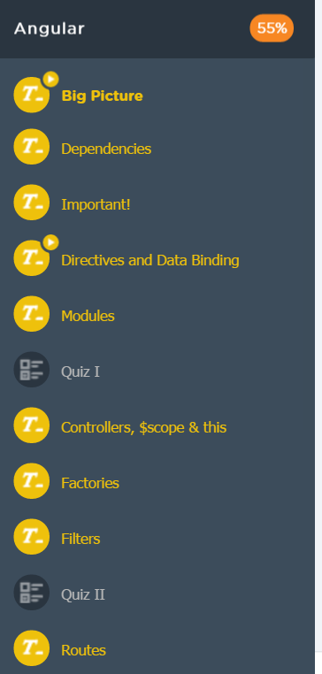
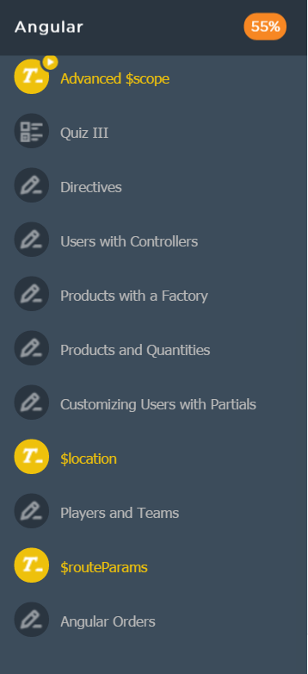
5. AngularJS | Angular | Directives |  | 1 | 1-2 hrs
 |  | Users with Controllers |  | 1 | 1-3 hrs
 |  | Products with a Factory |  | 1 | 1-3 hrs
 |  | Products and Quantities |  | 2 | 1-2 hrs
 |  | Customizing Users with Partials |  | 2 | 1-4 hrs
 |  | Players and Teams |  | 3 | 1-3 hrs
 |  | Angular Orders |  | 3 | 3-8 hrs

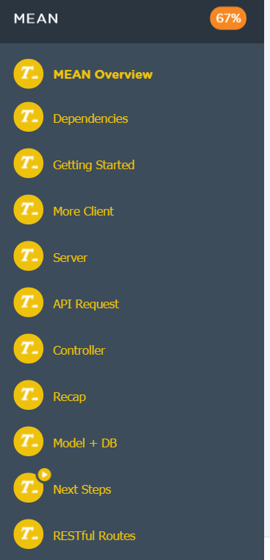
6. MEAN | MEAN | FULL MEAN |  | 1 | 1-2 hrs
 |  | 1955 API Redux |  | 2 | 2-4 hrs
 |  | Orders and Customers |  | 2 | 2-6 hrs
 |  | Mini MEAN Store |  | 3 | 6-12 hrs
 |  | Discussion Board |  | 3 | 6-12 hrs | 0 minute | 23 days ago

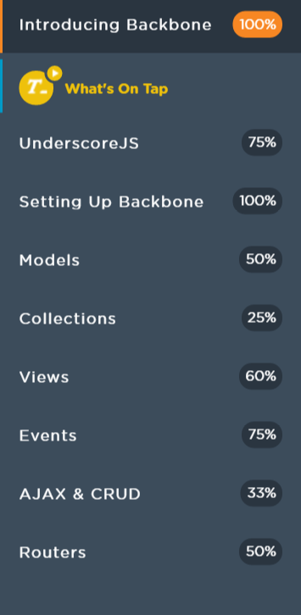
 | Backbone | Underscore Warmup
 |  | Backbone Models Exercise
 |  | Getting Comfortable with Collections
 |  | Star Wars API
 |  | Build Your Own View
 |  | Putting Collections in Charge
 |  | Logging Events
 |  | Building Views and Adding Events
 |  | Models, Collections, Views, Listeners, Events, oh my!
 |  | Starship Traffic

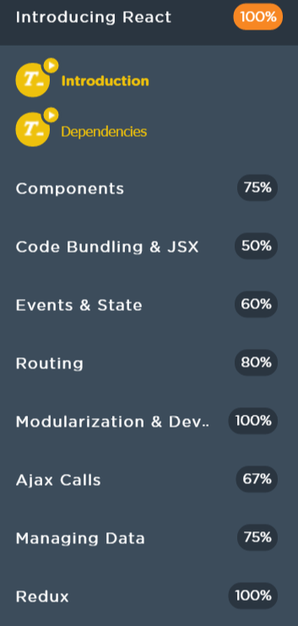
 | React | Fake Blog Redux
 |  | (Optional) HTML Webpack Plugin
 |  | Assignment: Plotting Your Blocks
 |  | React Checkerboard
 |  | React Survey Form
 |  | Ninja Gold with React
 |  | Build a Router
 |  | Movie data
 |  | Toggle All Boxes

